Instructions
Cooperative Grocery Store Operations Planning Workbook

Workbook allows the cooperative to create Projected Financial Statements, a Labor Plan, Overhead Expense Plan, and Cash Flows for operational planning purposes. The cooperative can also track P&L for each department.
The planning operations workbook information can be used to build the beginning budget in an accounting software.
Each workbook sheet features color-coded cells:
● White – user inputs data into cell
● Blue – user selected from dropdown menus
● Yellow – calculated data
● Green – optional calculated data

Tab #1 - Financial statements – allows the cooperative to create:
· Beginning Balance Sheet
· Year End Pro-forma Balance Sheet
· Annual Pro-forma Income Statement
The Cooperative can also track actual:
· Accounts Receivable
· Equipment Investment
· Loans
· Accounts Payable
· Furnishing Expenses
· Taxes Payable – can include payroll taxes, sales tax, property tax, personal property tax.
· Inventory (beginning and ending)
· Building Expenses

Tab #2 – Projected Cash Flow
Projected Cash Flow - A cash flow statement is a financial statement that provides aggregate data regarding all cash inflows a company receives from its ongoing operations and external investment sources. It also includes all cash outflows that pay for business activities and investments during a given period.

Tab #3 - Labor Budget – enter each position, hours per week, salary or hourly rate, payroll tax rate, benefit expense, select basis (annual, monthly , weekly or hourly), and Allocation Method.
Payroll Taxes – include FICA (Employers share of Social Security and Medicare Taxes), FUTA (Federal Unemployment), and SUTA (State unemployment).
 | Social Security | 6.20%
 | Medicare | 1.45%
 | FUTA | 6.00% | 1st $7,000 in wages
 | SUTA | 1.25% | NE 1st $24k in wages | Varies by state contact state labor department for rate and enter appropriate rate for your state
 | Total for Nebraska | 14.90%

Allocation Method - Allocation Method is the way in which expenses are split between departments. For example: you do not want to charge the entire heating/cooling bill to the deli; you want to find a way to allocate expenses that closely relates to the store set-up so you can get an accurate picture of how each department is performing. Common allocation methods are Gross Revenue, Equally Allocation, or Area Allocation.
Gross Revenue Allocation - This option allocates labor expenses based on Gross Revenue, which is defined as money earned from sales. For example: you have three departments, one department has 70% of gross revenue then 70% of the labor will be expensed to that department. The second department has 10% of gross revenue, so 10% of labor is expenses to that department. The third department has 20% of gross sales and is expensed for 20% of total labor.
Equal Allocation – with this option, labor is allocated to each department based on how many departments there are. For example: If you have five departments, 20% of the total labor will be expensed to each department.
Area Allocation - This option splits labor expenses based on the Area (or floor space) of each department. For example, the produce department only covers 10% of your floor space, so 10% of the labor cost will be allocated to the deli department.
Benefit percentage - This percentage refers to the amount of benefits received in addition to the employee wages. For example: If you provide health insurance, how much does that cost in terms of your employees’ wages. If your employee is paid $2000 and the health benefit is worth $500, then your Benefit percentage 25%.
Monthly Adjustments - takes into account Seasonal trends. For example in the grocery store business, usually the Thanksgiving and Christmas Holidays have better sales than January or February. When doing a seasonal adjustment, estimate the changes in your sales based upon the season, perhaps you want to say that the November and December sales will be 150% of normal, or that January will be 75% of normal sales. Also, consider that special community events or even local seasons (tourists visiting the lake) can change depending on the season.
Allocation Manual Adjustments – allows you to assign labor by department assignment. For example, one employee may work exclusively in the deli department. 100% would be entered for that employee under the deli heading.

Tab #4 – Overhead (Allocated to each department based upon Gross Revenue, Equally, or Area)
Gross Revenue Allocation - This option allocates labor expenses based on Gross Revenue, which is defined as money earned from sales. For example: Your advertising budget is $1000 per month, and your deli department accounts for 25% of your gross revenue. Then 25% of the $1000 expense would be allocated to the deli department.
Equal Allocation – with this option, expenses are allocated to each department based on how many departments there are. For example: If you have five departments, 20% of the total expenses are expensed to each department.
Area Allocation - This option splits all expenses based on the Area (or floor space) of each department. For example, the produce department only covers 10% of your floor space, so 10% of expenses are allocated to the deli department.
Monthly Adjustments - takes into account Seasonal trends. For example in the grocery store business, usually the Thanksgiving and Christmas Holidays have better sales than January or February. When doing a seasonal adjustment, estimate the changes in your sales based upon the season, perhaps you want to say that the November and December sales will be 150% of normal, or that January will be 75% of normal sales. Also, consider that special community events or even local seasons (tourists visiting the lake) can change depending on the season.
Allocation Manual Adjustments – allows you to assign expenses by department.

Tabs 5-12 – Department Income Statement. One department use grocery.
Each tab pulls labor (Tab #3) and overhead (Tab #4) data with respect to the allocation method of each expense. Area is the actual area of the department.
Markup percentage is the projected markup over cost for items in this department. Define Markup percentage - Markup is not to be confused with gross profit. Mark up is the percentage of the cost we are adding to the price. Gross profit is the percentage of the price we keep. For example: If we buy something for 75 cents and sell it for $1, we have marked it up 33% (25 cents on75 cents), but we have 25% gross profit (25 cents of $1).
Shrink percentage is the projected loss percentage for the department. Define Shrink percentage - Shrink percentage is the amount of inventory that is purchased but never sold. Maybe a banana was bruised and had to be thrown away, some canned goods expired, or some customer or worker just stole something. These are all part of Shrink. A common standard of Shrink in a grocery store is 0.5%
Credit Card fees are the percentages of Credit Card sales paid to the cooperatives credit card processor. Fees vary based upon card type and the chosen processor. It is suggested that cooperatives research processor options to determine the best solution for their entity.

The tabs are dependent upon each other to provide assist the steering team with creating a realistic budget for the first year of operations.

Printing
The print instructions in both files has been set so the print will be in black and white. You can view how each of the tabs will look when printed by clicking on the “Page Layout” option of the tool bar near the top of the page then on the arrow in the right lower corner of that section of the Excel ribbon.
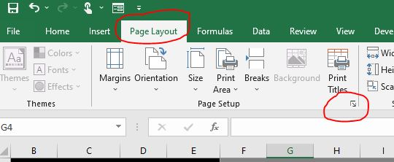
That will open the “Page Setup” window, which has a button called “Print Preview”.
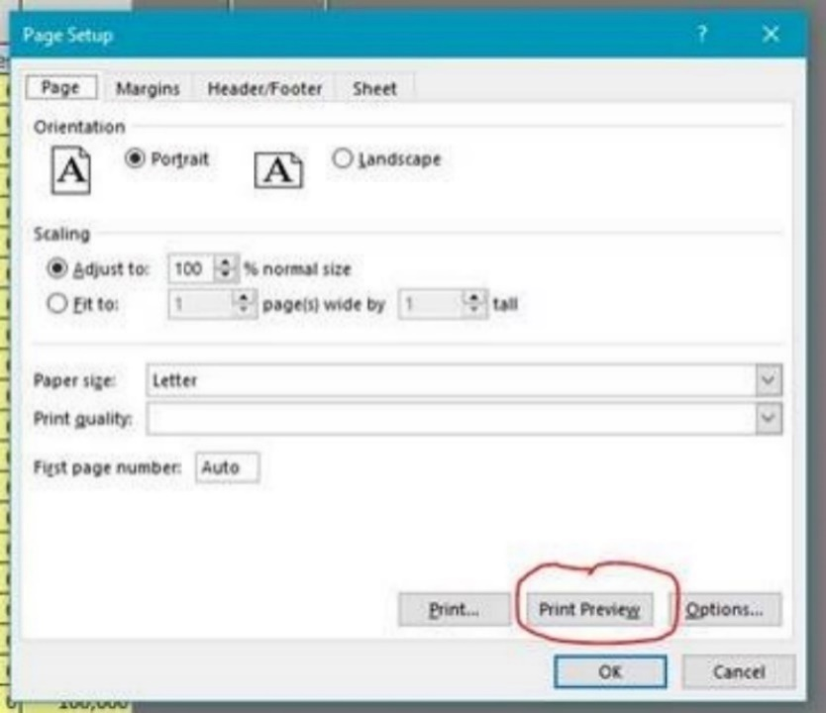
Select the number of pages to print.

Title
Copyright © 2021 University of Nebraska Board of Regents.
CoopOpns | The Cooperative Grocery Store Operations Planning Workbook
by the University of Nebraska Agricultural Economics Department
 | Cooperative Name

 | Planned Start Date
 | Year | 2023 | Month | Aug

The University of Nebraska does not discriminate based on race, color, ethnicity, national origin, sex, pregnancy, sexual orientation, gender identity, religion, disability, age, genetic information, veteran status, marital status, and/or political affiliation in its programs, activities, or employment.
 |  |  |  |  | Click in Cells Below to See Cell Background Color Conventions
Jan
Feb
Mar
Apr
May
Jun
Jul
Aug
Sep
Oct
Nov
Dec

